To Do List
Task |  | Responsible Person | Remark | Status
RationMemoController | Step1 |  | Controller Name |  | Payment Ration
PersonPackage (Table) |  | Sumon
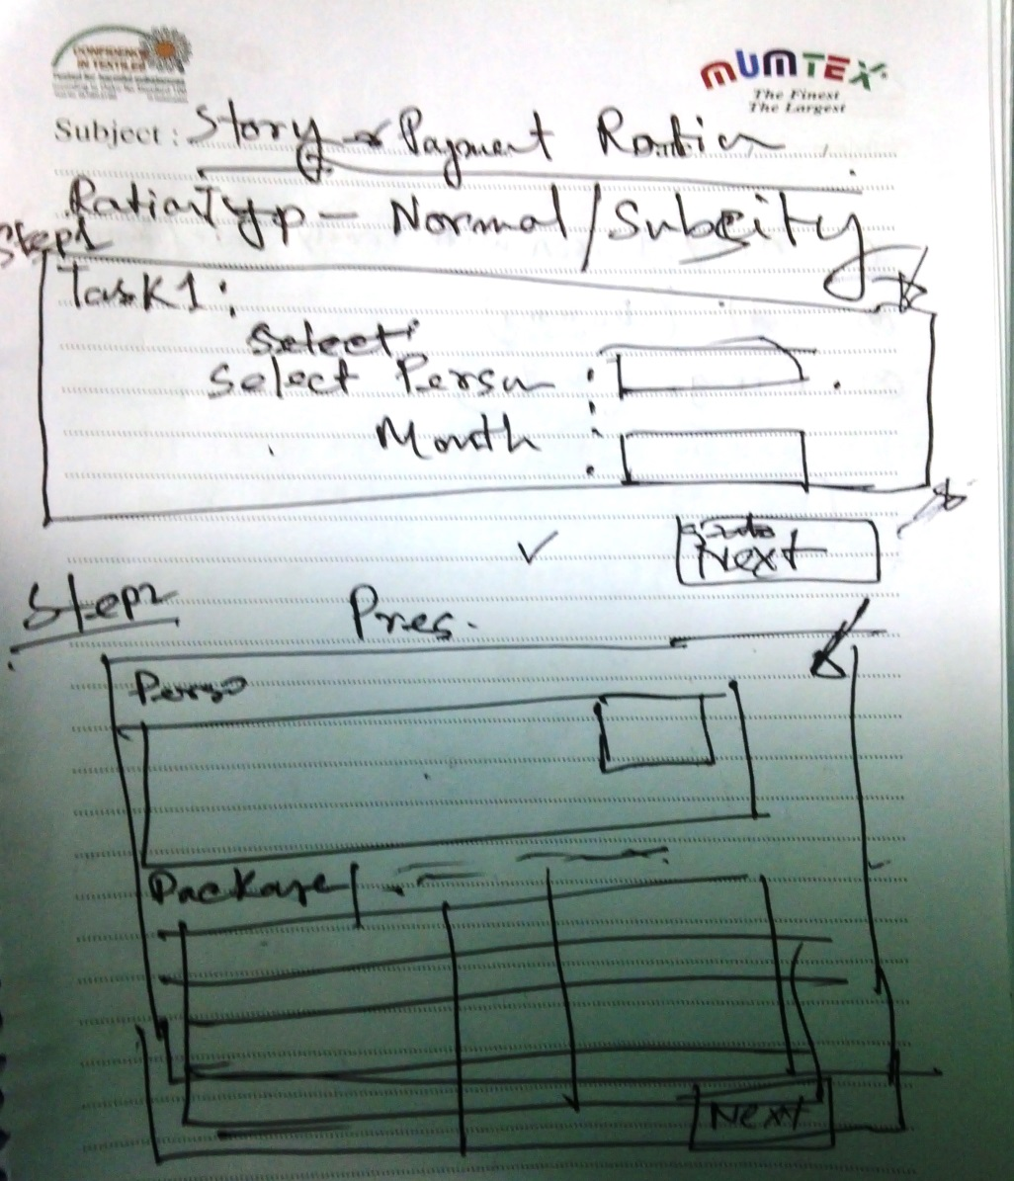
Select Person (Auto Complete) |  | Ronee
Page Validation
Package Validation

Person Info (Basic) | Step2
Package Info (ration Item Details)
Create Invoice
Table For Invoice and Service |  | Sumon

Army Person with Family Info |  | Ronee
Scale (Dummy Data)
Package |  | Babu vai

